Sheet1
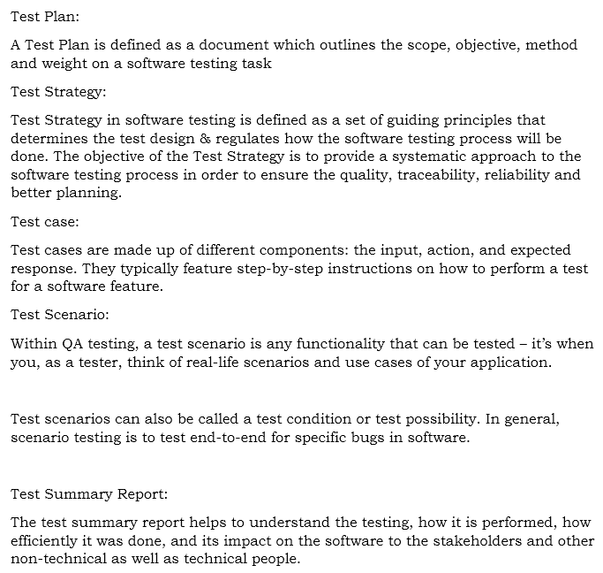
 |  |  | Module | Login Functionally
 |  |  | Test data | *-@gmail.com
 |  |  | Author | Sankari
 |  |  | Date | 2023-03-10

Book My show for Sign in
S.No | Test case ID | Test scenario | Test type | Test case Description | Prerequistie | Test steps | Expected Result | Result
1 | G-L-001 | Check URL | Positive | To Verify whether a user able to click the URL | 1.Browse should be installed 2.Network should be Stable 3. Application should be Stable | 1.Open the URL with https://in.bookmyshow.com 2. Apear the result | Home page is displayed | Pass
2 | G-L-002 | Check Sign in | Positive | To Verify wheather a user able to click on sign in button | 1.Browse should be installed 2.Network should be Stable 3. Application should be Stable | 1.Launched the Browser 2.Click on the Sign button 3. Apear the result | Login page will be displayed | Pass
3 | G-L-003 | Check Sign in | Positive | To Verify wheather a user able to sign in with valid Google email id | 1.Browse should be installed 2.Network should be Stable 3. Application should be Stable | 1.Open the Browser 2.Click on the Sign button 3. Apear the result | The user should be log in sucessfully | Pass
4 | G-L-004 | Check Sign in | Positive | To Verify wheather a user able to sign in with valid Email id | 1.Browse should be installed 2.Network should be Stable 3. Application should be Stable | 1.Open the Browser 2.Click on the Sign button 3. Apear the result with email | The user should be log in sucessfully | Pass
5 | G-L-005 | Check Sign in | Positive | To Verify wheather a user able to type the email id and click on continue | 1.Browse should be installed 2.Network should be Stable 3. Application should be Stable | 1.Open the Browser 2.Click on the Sign button 3. Apear the result with email | The user should be log in sucessfully | Pass
6 | G-L-006 | Check Sign in | Positive | To Verify wheather user receive the OTP in the email id and to type to continue | 1.Browse should be installed 2.Network should be Stable 3. Application should be Stable | 1.Open the Browser 2.Click on the Sign button 3. click on Email and | OTP should be sent to the entered email id | Pass
7 | G-L-007 | Check Sign in | Positive | To Verify wheather user enter the OTP in the input field | 1.Browse should be installed 2.Network should be Stable 3. Application should be Stable | 1.Open the Browser 2.Click on the Sign in button 3. Enter the OTP to verify | Only numbers should be accepted in the input field | Pass
8 | G-L-008 | Check Sign in | Positive | To Verify whether OTP length should be 6 digits | 1.Browse should be installed 2.Network should be Stable 3. Application should be Stable | 1.Open the Browser 2.Click on the Sign in button 3. OTP should be 6 digit long | OTP should be 6 digit long | Pass
9 | G-L-009 | Check Sign in | Positive | To verify whether OTP expiration time | 1.Browse should be installed 2.Network should be Stable 3. Application should be Stable | 1.Open the Browser 2.Click on the Sign in button 3. Check if the OTP becomes invalid after the expiration time | OTP should be valid for a limited time and become invalid after the expiration time | Pass
10 | G-L-010 | Check Sign in | Negative | To Verify whether incorrect OTP is rejected | 1.Browse should be installed 2.Network should be Stable 3. Application should be Stable | 1.Open the Browser 2.Click on the Sign in button 3. enter the OTP in the input field | Incorrect OTP should be rejected. | Pass
11 | G-L-011 | Check Sign in | Positive | To verify whether OTP is verified successfully | 1.Browse should be installed 2.Network should be Stable 3. Application should be Stable | 1.Open the Browser 2.Click on the Sign in button 3. Click on Email 4. enter the OTP in the input field | OTP should be verified successfully. | Pass
12 | G-L-012 | Check Sign in | Positive | To verify if the user can request another OTP | 1.Browse should be installed 2.Network should be Stable 3. Application should be Stable | 1.Open the Browser 2.Click on the Sign in button 3. Click on Email 4. Check if the user can request another OTP if the first OTP was not entered correctly. | The user should be able to request another OTP. | Pass
13 | G-L-013 | Check Sign in | Positive | To verify the user able to click Apple id to sign in | 1.Browse should be installed 2.Network should be Stable 3. Application should be Stable | 1.Open the Browser 2.Click on the Sign in button 3. Click on apple id to sign in | The user should be able to click on the | Pass
14 | G-L-014 | Check Sign in | Positive | To Verify the user able to enter valid mobile no in the apple id | 1.Browse should be installed 2.Network should be Stable 3. Application should be Stable | 1.Open the Browser 2.Click on the Sign in button 3. Click on apple id to sign in | The user able to enter the valid mobile no | Pass
15 | G-L-015 | Check Sign in | Negative | To Verify the user able to enter invalid mobile no in the apple id | 1.Browse should be installed 2.Network should be Stable 3. Application should be Stable | 1.Open the Browser 2.Click on the Sign in button 3. Click on apple id to sign in | The dialog box showed invalid mobile no | Pass
16 | G-L-016 | Check Sign in | Positive | To Verify user directly click on Mobile no option | 1.Browse should be installed 2.Network should be Stable 3. Application should be Stable | 1.Open the Browser 2.Click on the Sign in button 3. Click on mobile no option | Enter the valid mobile no to continue next steps | Pass
17 | G-L-017 | Edit Profile | Positive | To Verify the Guest profile details to enter | 1.Browse should be installed 2.Network should be Stable 3. Application should be Stable | 1.Open the Browser 2.Click on the guest button 3. Add Mobile no | Profile details will open the page | Pass
18 | G-L-018 | Edit Profile | Positive | To verify that if amessege is [This is required field] displayed when the First name text box is left blank | 1.Browse should be installed 2.Network should be Stable 3. Application should be Stable | 1.Open the Browser 2.Click on the guest button 3. Enter First name in the text box | The user able to enter the First name
19 | G-L-019 | Edit Profile | Positive | To verify that if amessege is [This is required field] displayed when the Last name text box is left blank | 1.Browse should be installed 2.Network should be Stable 3. Application should be Stable | 1.Open the Browser 2.Click on the guest button 3. Enter Last name in the text box | The user able to enter the Last name
20 | G-L-020 | Edit Profile | Negative | To verify that if amessege is [This is required field] displayed when the Last name text box is left blank | 1.Browse should be installed 2.Network should be Stable 3. Application should be Stable | 1.Log into the application 2.Click on the Sign tab 3. Last name left blank | A messege [This is required field] should be displayed when the email id text box is left blank | Pass
21 | G-L-021 | Edit Profile | Positive | To Verify whether Birthday, Identity, Married text box field correctly | 1.Browse should be installed 2.Network should be Stable 3. Application should be Stable | 1.Log into the application 2.Click on the Sign tab 3. Enter the Birthday field | The user should be field Month date and Year | Pass
22 | G-L-022 | Edit Profile | Negative | To Verify whether Birthday text box field left blank{Optional go to next tab} | 1.Browse should be installed 2.Network should be Stable 3. Application should be Stable | 1.Log into the application 2.Click on the Sign tab 3. Enter the Birthday field left blank | The user birthday text box left blank{Optional go to next tab} | Pass
23 | G-L-023 | Upload the photo | Positive | Verify that a user can upload/remove a profile picture in their profile. | Application has to be ready | 1.Log into the application 2.Click on the Sign tab 3. Enter the upload profile picture | Choose Identify text box correctly | Pass

 | Q2. Write the key points on Test Scenario, Test Case, Test Strategy and Plan, Test Summary Report?

Sheet2
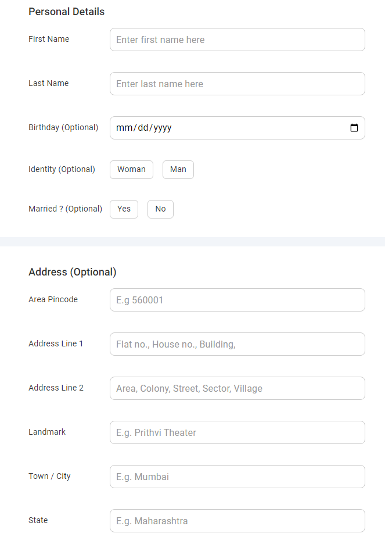
Verify that a user can update their name, email address, phone number, gender, date of birth and address in their profile.
Verify that a user can upload/remove a profile picture in their profile.
Verify that a user is prompted to enter valid data fields for name, email address, phone number, gender, date of birth and address when updating their profile.
Verify that a user cannot leave any mandatory fields blank while updating their profile.
Verify that a user is notified with error messages when trying to update their profile with invalid data.
Verify that a user can see a confirmation message after successfully updating their profile.
Verify that a user can cancel their changes and revert to the previous profile information.
Verify that a user can update their password in their profile

Verify that a user can search for movies by title, genre, language, city or location, date and time, ratings
Verify that a user can search for events by name, location, date and time, category, team or player name
Verify that a user can filter search results by relevance, rating, or popularity.
Verify that a user can sort search results by date, name, or rating.
Verify that a user can see the number of search results and the pages of search results.
Verify that a user can navigate to a specific search result page or item from the search results.

Verify that a user can select the desired movie or event for ticket booking.
Verify that a user can select the desired date and time for the movie or event.
Verify that a user can select the desired seats or tickets for the movie or event.
Verify that a user can view the seat availability in real-time.
Verify that a user can select the payment method for the tickets.
Verify that a user can apply any available offers or discounts to their booking.
Verify that a user can enter their personal information for the ticket booking, including name and contact details.
Verify that a user can enter any additional details required for the ticket booking, such as age or gender.
Verify that a user can preview their booking details before finalizing the purchase.
Verify that a user is prompted to confirm the purchase before making the payment.
Verify that a user can cancel the ticket booking at any stage before payment.
Verify that a user can view their ticket booking history and details.
Verify that a user can modify the details of their ticket booking, such as the date or time.
Verify that a user can cancel their ticket booking and receive a refund if applicable.
Verify that a user can see any upcoming bookings or events in their account.
Verify that a user receives a confirmation message and email after booking their tickets.
Verify that a user can select their preferred language for the ticket booking process.
Verify that a user can use any available payment methods without errors or issues.
Verify that a user can contact customer support if they face any issues during the ticket booking process.
Verify that the ticket booking process is user-friendly and intuitive for users of all ages and technical abilities.

